Sheet1
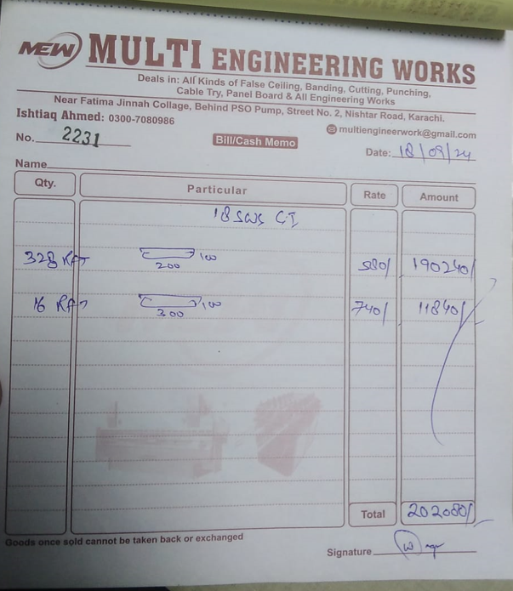


M/S IK Associates |  |  |  |  |  |  |  | 2024-09-18

Project: DHL Office, Fortune Center, Karachi

Attn: Mr. Taha Ghaznavi

Variation order No 3
Variation order for Cable tray

S. # | Description | Material Rate | Labour Rate | Over Head profit 28% | Total Rates | Unit | Qty | Amount
1 | Providing and installation of cable tray 8" x 4" at following areas:
i | for Multipurpose hall passage | 580 | 180 | 213 | 973 | Rft | 132 | 128,410
ii | Boardroom passage | 580 | 180 | 213 | 973 | Rft | 45 | 43,776
iii | Bathroom side passage | 580 | 180 | 213 | 973 | Rft | 60 | 58,368
iv | Skylight Passage | 580 | 180 | 213 | 973 | Rft | 60 | 58,368
v | Meeting pods passage | 580 | 180 | 213 | 973 | Rft | 25 | 24,320
2 | Providing and installation of cable tray 12" x 4" | 740 | 200 | 263 | 1,203 | Rft | 15 | 18,048
3 | Hangers and supports with ralated fittings such as elbow, tee including fabricarion and weldling work. | 75,000 | 15,000 | 25,200 | 115,200 | Job | 1 | 115,200
Total Amount Rs. |  |  |  |  |  |  |  | 446,490

Note: Vendor quotation attached

Thanking you,

For PIONEER ENGINEERING SERVICES.

Bilal Habib

